Sheet1
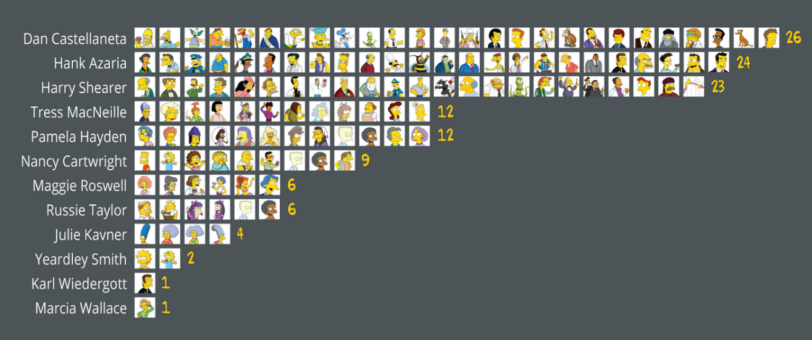
Pareto Analysis Simpsons Characters
 |  | # Voices | % Voices | Sum %
Dan Castellaneta |  | 26 | 20.63% | 20.63%
Hank Azaria |  | 24 | 19.05% | 39.68%
Harry Sharer |  | 23 | 18.25% | 57.94%
Tress MacNeillie |  | 12 | 9.52% | 67.46%
Pamela Hayden |  | 12 | 9.52% | 76.98%
Nancy Cartwright |  | 9 | 7.14% | 84.13%
Maggie Roswell |  | 6 | 4.76% | 88.89%
Russie Taylor |  | 6 | 4.76% | 93.65%
Julie Kavner |  | 4 | 3.17% | 96.83%
Yeardley Smith |  | 2 | 1.59% | 98.41%
Karl Wiedergott |  | 1 | 0.79% | 99.21%
Marcia Wallace |  | 1 | 0.79% | 100.00%
 |  | 126

 | "80" | "20" | Rule
 | 84.13% | 50.00%

